6. Human Resources_Multiple Co
■ Multi-criteria search screen configuration
현재 컬럼에서 추가해야 하는 사항
1. Configuring the employee list column in the multi-criteria search query screen
※ | Department (Level 2) | Department (Level 3) | Department (Level 4) | ~ | Department (Level 7) | employee | cleanup | The back is the same as the columns on the employee list inquiry screen (position, job group, job, age, gender, nationality, position, etc.)
1 | Management Support Department | ESG room | Human Resources Culture Team | - | - | Hwangwon-dong | 2020042401
2
3
4
5
6
7
8
9
10

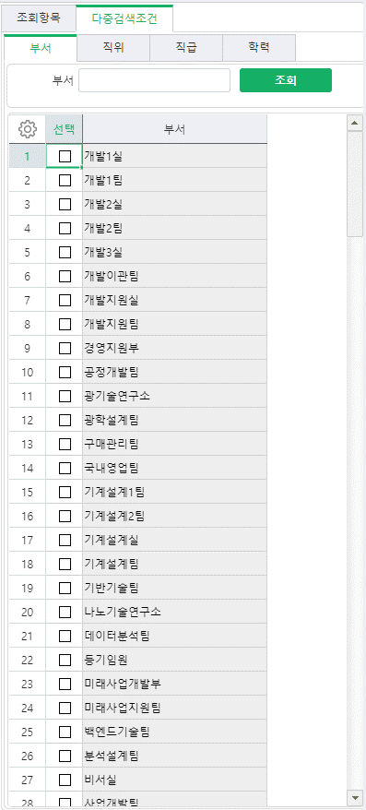
호봉
직책
직군
직무
...
...
나이
국적
추가
2. Multiple search conditions
1) Department (When selecting a higher level, lower levels must also be searched. When selecting ex Management Support Department, lower levels such as ESG Office, Financial Planning Office and lower level teams must be searched)
2) Position
3) Hobong
4) Position
5) Occupation
6) Duties
7) Working status
8) Gender
9) Nationality
10) Degree
11) Recruitment type
12) Age
* When age is entered into the search criteria, a range can be selected (ex. 20 to 35 years old)

3. Compose a summary table on the search (results) screen (results from the multiple search above)
** A summary table and a detailed employee list of relevant data are organized together on the screen.
>> Refer to the example screen of the ‘Multiple Condition Search Result Screen’ sheet.

1) Number of people matching the multiple search conditions (*Check box required to include retired people)
- Number of employees at a specific point in time (00.00.00)
If you include retirees, you can check the total number of people, including current retirees, at a specific point in time.
If retirees are not included, only the number of people currently employed at the point in time can be confirmed.
2) Average length of service at a specific point in time among those who meet the multiple search conditions
- Search condition: 00.00.00
- Individual service years and service date columns have been added (same as the service years and service date columns on the employee service years inquiry screen)
3) Number of employees and retirees over a certain period of time among those who meet the multiple search conditions
- Search conditions: 00.00.00 ~ 00.00.00

human resource show
1. Screen menu configuration example
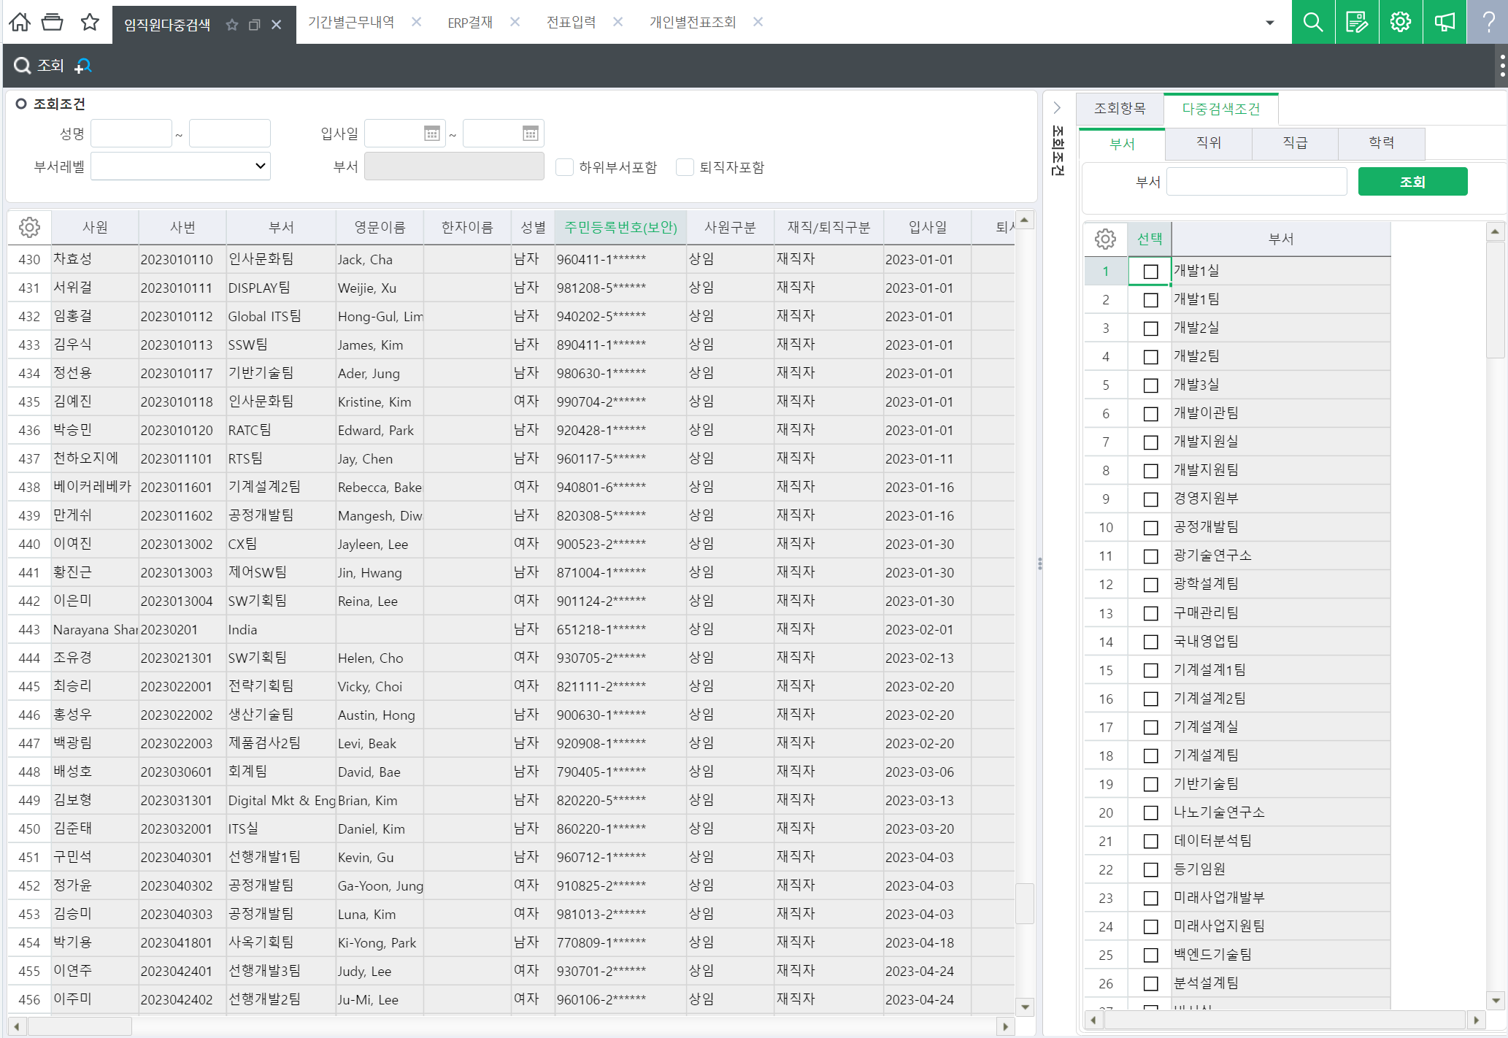
호봉
직책
직군
직무
...
...
나이
국적
※ 인원 수 / 평균근속기간
※ 입사자 및 퇴직자 조회
□ 입사자
□ 퇴직자

요약화면
추가
(요청사항 2번항목 참고)
※ 요약
다중조건 인원 수
평균근속기간
입사자 수
퇴직자 수
35
3년 2개월 5일

다중조건에 부합한
사원리스트

사원리스트 표기(요청사항 1번항목 참고)
현재 컬럼에서 추가해야 하는 사항
 | 1. Configuring the employee list column in the multi-criteria search query screen
 | ※ | Department (Level 2) | Department (Level 3) | Department (Level 4) | ~ | Department (Level 7) | employee | cleanup | The back is the same as the columns on the employee list inquiry screen (position, job group, job, age, gender, nationality, position, etc.)
 | 1 | Management Support Department | ESG room | Human Resources Culture Team | - | - | Hwangwon-dong | 2020042401
 | 2
 | 3
 | 4
 | 5
 | 6
 | 7
 | 8
 | 9
 | 10

37. Indicate start and end tim
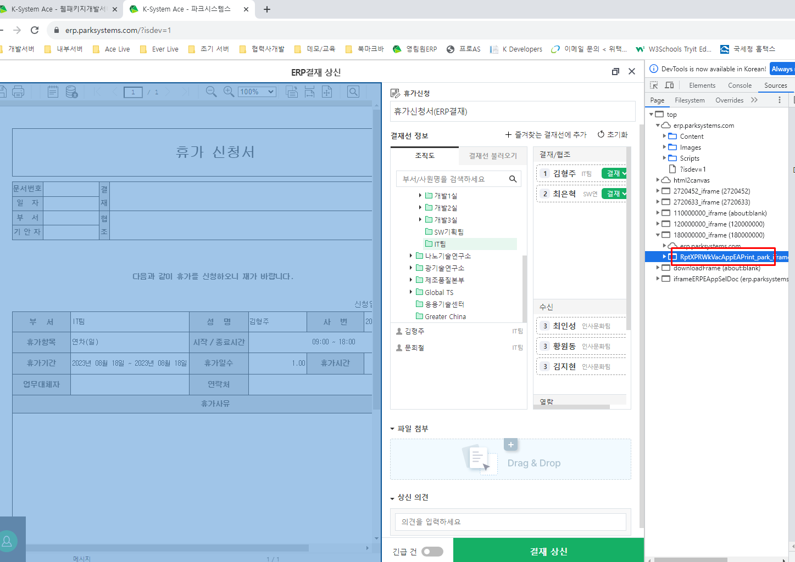

Accounting Utilization Materia
1. Customer registration -> History management when changing customer name, application for registration on ERP /Simple registration Continue use (X)

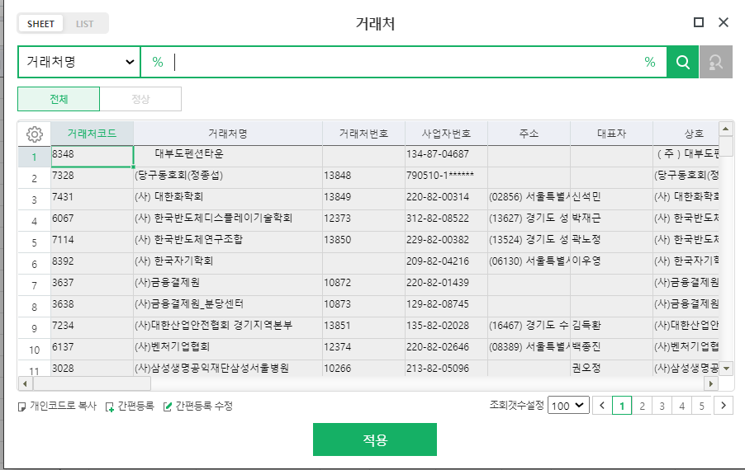
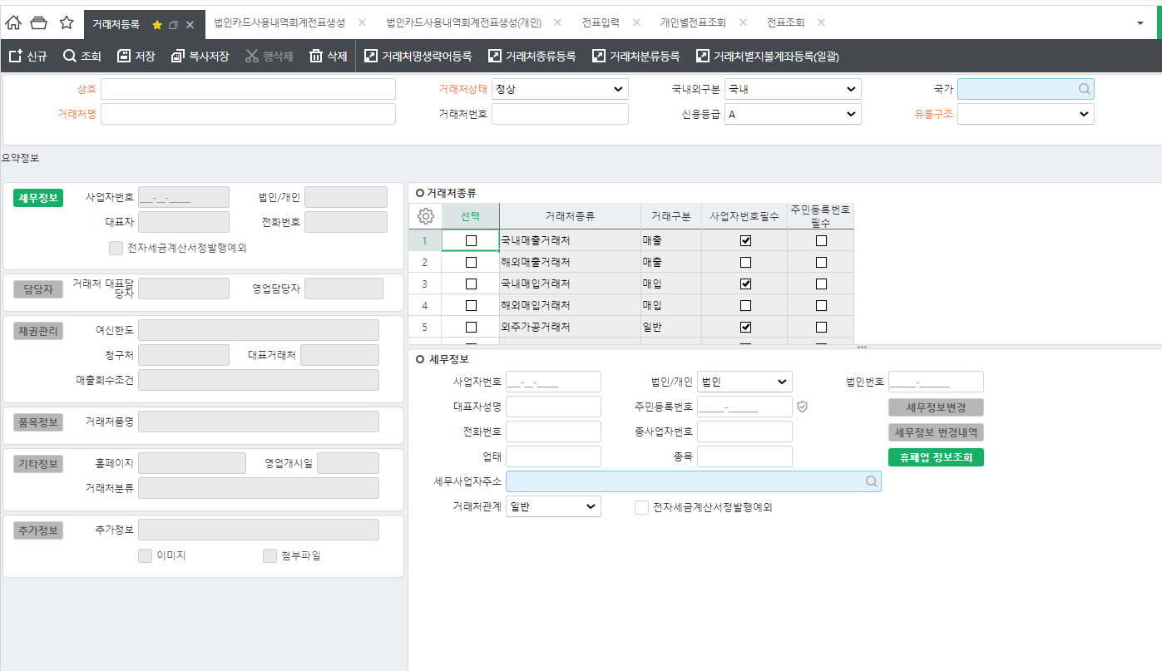

 |  |  |  | Currently: Simple registration of business partners is possible by double-clicking the business partner sheet in creating a corporate card usage history accounting slip.
 |  |  |  | To Be: Delete function

 |  |  |  | Current: History management when changing business partner name x
 |  |  |  | To Be: History Management

 |  |  |  | Current: Apply for groupware registration as a business partner and have the person in charge register
 |  |  |  | To be: Each business registers as a business partner and is registered as a business partner after approval by the person in charge.

2. Default setting for final approval line accounting team/finance team person

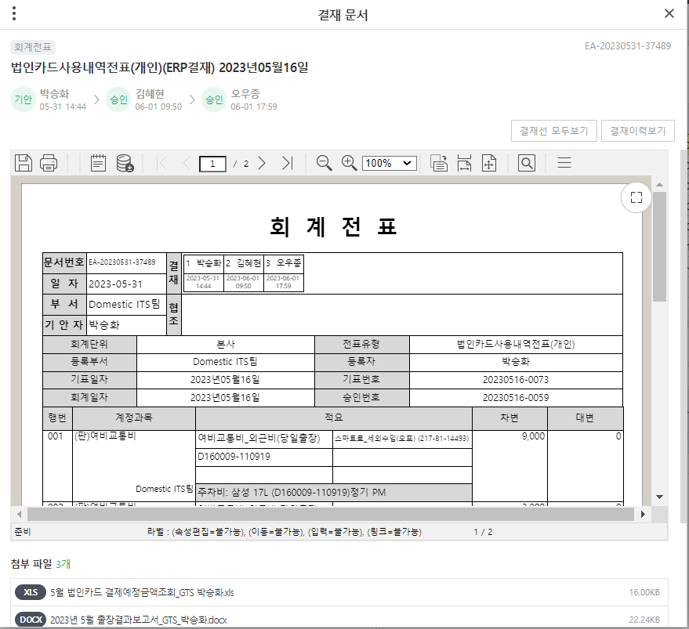
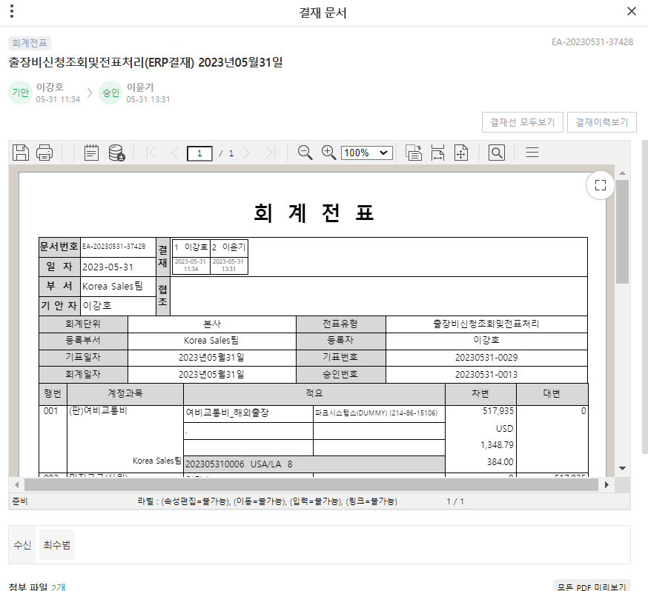
Case 1) When the person in charge of final approval of the accounting or finance team is not the last person |  | Case 2) When the person in charge of final approval from the accounting or finance team does not approve | Case 3) Confrontation between the accounting and finance teams in the absence of the person in charge of final approval | Case 1, Case 2
 |  |  |  | Set final approver as default
 |  |  | No related images
 |  |  |  | Case 3
 |  |  |  | If the final approval person is absent, a replacement for the work
 |  |  |  | Battle

유니패스
유니패스

3. Individual expense application and invoice processing -> When making modifications, individual invoice inquiry and invoice input allow for modifications / Prevent double processing

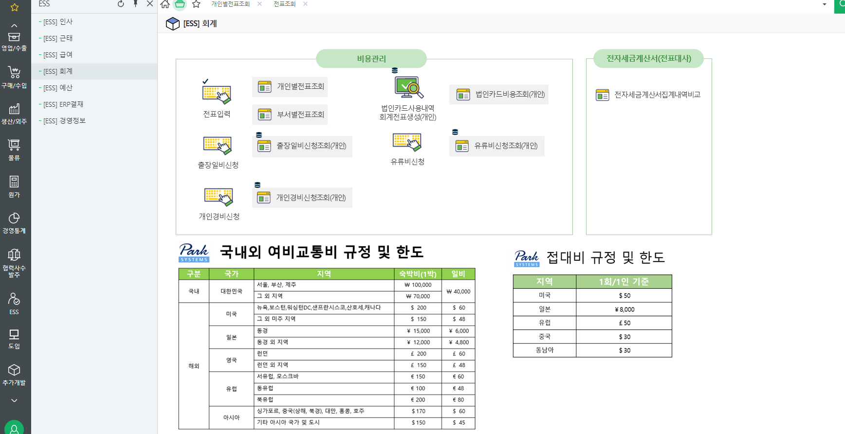

 |  |  |  | Individual slip inquiry

 |  |  |  | Currently: Only general journal entry type can be modified
 |  |  |  | To be: Modify all types

4. 30 proof of expense slips - attached to each expense item so they can be viewed immediately
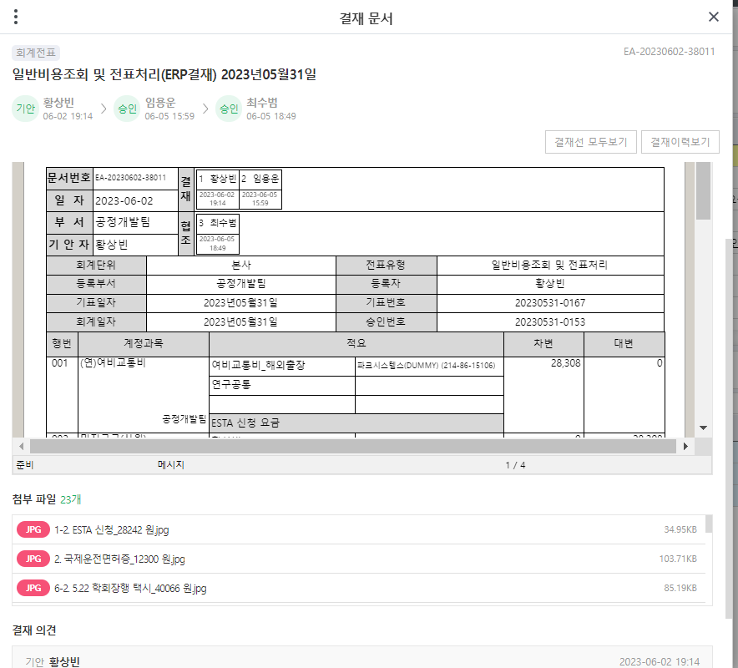

 |  |  |  | Current: Evidence is less readable
 |  |  |  | To Be: Attach proof to each expense item, etc.

5
If you download Unipass’ export certificate list monthly as shown below and upload the file to ERP,

When filling out the menus below, if you select Unipass by clicking on it, the details will be dragged and entered for processing (excluding sales amount) rather than filling out the yellow fields by hand.

유니패스

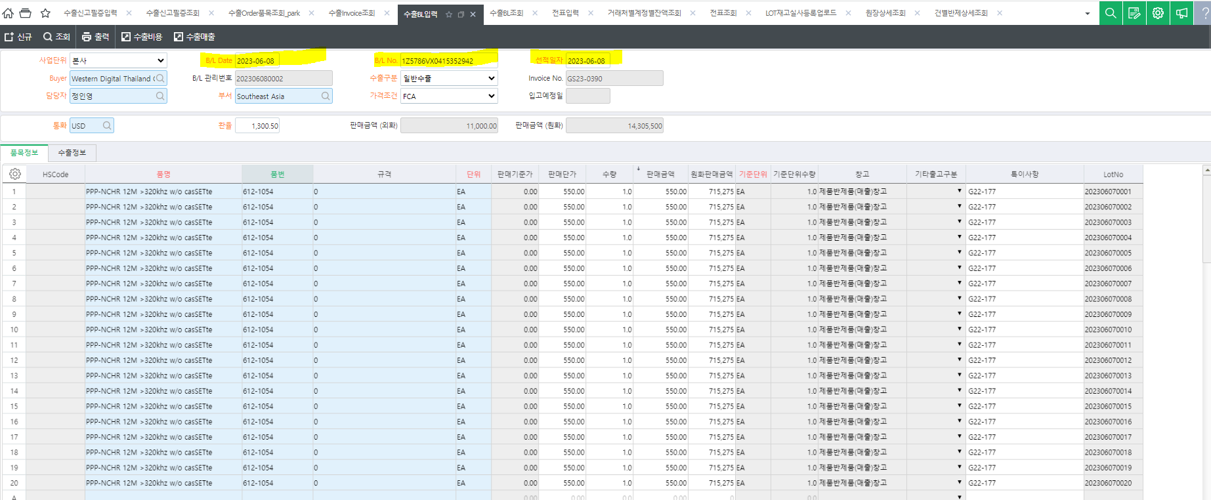

유니패스

6
P/O No. | TH5805-P092255

잔액 표시 요청

Invoices are issued in installments and sales are processed.

In the screen below, you can check whether the invoice has been issued and sales have been processed and the remaining balance can be checked.

잔액 표시 요청

